Results
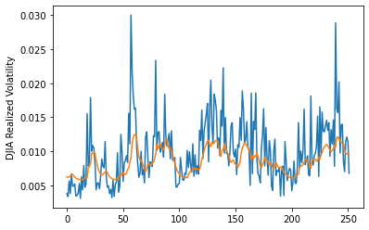
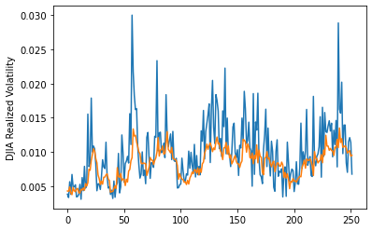
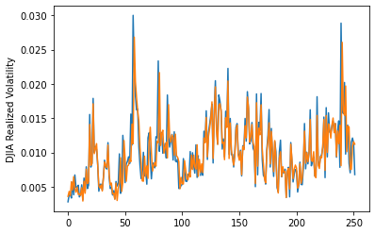
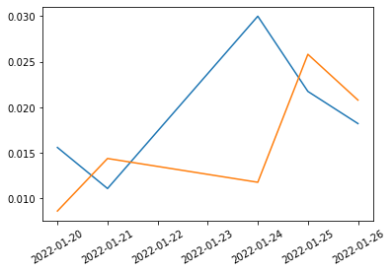
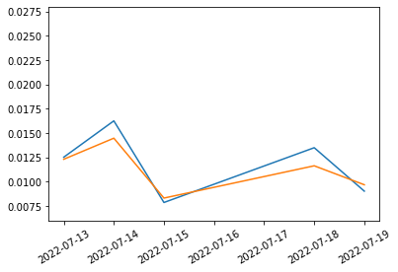
 | LSTM |  | TCN |  | NBEATSx |  |  |  | LSTM |  | TCN |  | NBEATSx
 | Accuracy | RMSE | Accuracy | RMSE | Accuracy | RMSE |  |  | Accuracy | RMSE | Accuracy | RMSE | Accuracy | RMSE
Trial 1 | 69.53% | 0.278% | 74.10% | 0.276% | 84.67% | 0.291% |  | Mean | 66.98% | 0.292% | 69.63% | 0.285% | 84.02% | 0.293%
Trial 2 | 65.16% | 0.283% | 72.13% | 0.270% | 84.48% | 0.294% |  | Standard Deviation | 4.66% | 0.017% | 4.24% | 0.023% | 0.44% | 0.002%
Trial 3 | 67.24% | 0.276% | 66.54% | 0.286% | 84.15% | 0.290% |  | 95% CI upper bound | 76.29% | 0.327% | 78.10% | 0.331% | 84.89% | 0.298%
Trial 4 | 72.90% | 0.277% | 70.46% | 0.273% | 83.71% | 0.291% |  | 95% CI lower bound | 57.66% | 0.258% | 61.16% | 0.239% | 83.14% | 0.289%
Trial 5 | 59.71% | 0.308% | 71.26% | 0.260% | 83.50% | 0.294% |  | 99.7% CI upper bound | 80.95% | 0.344% | 82.34% | 0.354% | 85.33% | 0.300%
Trial 6 | 69.94% | 0.300% | 71.23% | 0.275% | 83.99% | 0.297% |  | 99.7% CI lower bound | 53.00% | 0.240% | 56.92% | 0.216% | 82.70% | 0.287%
Trial 7 | 71.71% | 0.278% | 73.15% | 0.253% | 84.13% | 0.296%
Trial 8 | 64.61% | 0.289% | 58.59% | 0.317% | 84.83% | 0.292%
Trial 9 | 57.14% | 0.322% | 72.04% | 0.315% | 84.16% | 0.295%
Trial 10 | 68.38% | 0.332% | 67.75% | 0.331% | 83.54% | 0.292%
Trial 11 | 71.54% | 0.290% | 72.85% | 0.265% | 84.05% | 0.296%
Trial 12 | 66.30% | 0.279% | 71.79% | 0.304% | 83.72% | 0.294%
Trial 13 | 62.94% | 0.297% | 65.40% | 0.282% | 84.33% | 0.290%
Trial 14 | 65.14% | 0.294% | 64.66% | 0.298% | 83.39% | 0.295%
Trial 15 | 72.40% | 0.279% | 72.48% | 0.269% | 83.60% | 0.294%

 | LSTM (best trial) |  |  |  |  |  | TCN (best trial) |  |  |  |  |  |  | NBEATSx (best trial)

